Sheet1
LR: 2e-05, DEv3

RoB-L

Run 1

Run 2
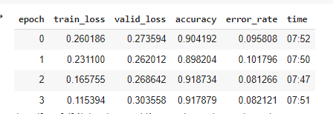

run 3.
Mean A = 92.5

